LDBOND
LIC MF MEDIUM TO LONG DURATION FUND |  |  |  |  | Index

Monthly Portfolio Statement as on December 31,2025
Name of the Instrument | ISIN | Industry / Rating | Quantity | Market/Fair Value (Rounded, Rs. In Lacs) | Rounded, % to Net Assets | Yield

Debt Instruments
(a)Listed / Awaiting listing on stock Exchanges
7.26% Government of India | IN0020220151 | SOVEREIGN | 2,500,000.000 | 2,661.41 | 13.35% | 6.74%
7.77% State Government of Gujarat | IN1520220014 | SOVEREIGN | 2,500,000.000 | 2,592.76 | 13.00% | 7.20%
7.7% State Government of Maharashtra | IN2220220205 | SOVEREIGN | 2,000,000.000 | 2,093.14 | 10.50% | 7.42%
7.1% Government of India | IN0020240019 | SOVEREIGN | 2,000,000.000 | 2,089.97 | 10.48% | 6.75%
7.41% Government of India | IN0020220102 | SOVEREIGN | 1,500,000.000 | 1,570.08 | 7.87% | 6.95%
7.3% Government of India | IN0020230051 | SOVEREIGN | 1,500,000.000 | 1,506.30 | 7.55% | 7.42%
7.62% Government of India | IN0020190024 | SOVEREIGN | 1,000,000.000 | 1,080.68 | 5.42% | 7.07%
7.43% Jamnagar Utilities & Power Pvt. Ltd. ** | INE936D07190 | CRISIL AAA | 1,000.000 | 1,016.80 | 5.10% | 7.38%
Indian Railway Finance Corporation Ltd. (ZCB) ** | INE053F08536 | CRISIL AAA | 1,500.000 | 784.42 | 3.93% | 6.76%
7.77% National Housing Bank | INE557F08FP2 | CRISIL AAA | 500.000 | 531.17 | 2.66% | 6.60%
6.28% Government of India | IN0020250059 | SOVEREIGN | 500,000.000 | 506.98 | 2.54% | 6.68%
7.34% Government of India | IN0020240035 | SOVEREIGN | 500,000.000 | 505.53 | 2.54% | 7.50%
6.48% Government of India | IN0020250091 | SOVEREIGN | 500,000.000 | 503.33 | 2.52% | 6.71%
6.33% Government of India | IN0020250026 | SOVEREIGN | 200,000.000 | 198.20 | 0.99% | 6.71%
Sub Total |  |  |  | 17,640.77 | 88.45%

(b)Privately Placed/Unlisted
Sub Total |  |  |  | NIL | NIL

(c)Securitised Debt Instruments
Sub Total |  |  |  | NIL | NIL

TOTAL |  |  |  | 17,640.77 | 88.47%

Money Market Instruments

Certificate of Deposit
HDFC Bank Ltd. # | INE040A16II2 | CRISIL A1+ | 300.000 | 1,409.63 | 7.07% | 6.61%
Sub Total |  |  |  | 1,409.63 | 7.07%

TOTAL |  |  |  | 1,409.63 | 7.07%

Others
Investment in Mutual fund
SBI CDMDF--A2 | INF0RQ622028 |  | 497.622 | 57.49 | 0.29%

TOTAL |  |  |  | 57.49 | 0.29%

Treps / Reverse Repo
Treps |  |  |  | 1,286.78 | 6.45%
Sub Total |  |  |  | 1,286.78 | 6.45%

TOTAL |  |  |  | 1,286.78 | 6.45%
Net Receivables / (Payables) |  |  |  | (454.32) | (2.28%)
GRAND TOTAL |  |  |  | 19,940.35 | 100.00%

# Unlisted Security
** Non Traded Security
ZCB - Zero Coupon Bond

The product is suitable for investors who are seeking* | Scheme Riskometer# | Benchmark Riskometer (as applicable) #
•Income Over Medium to long term | 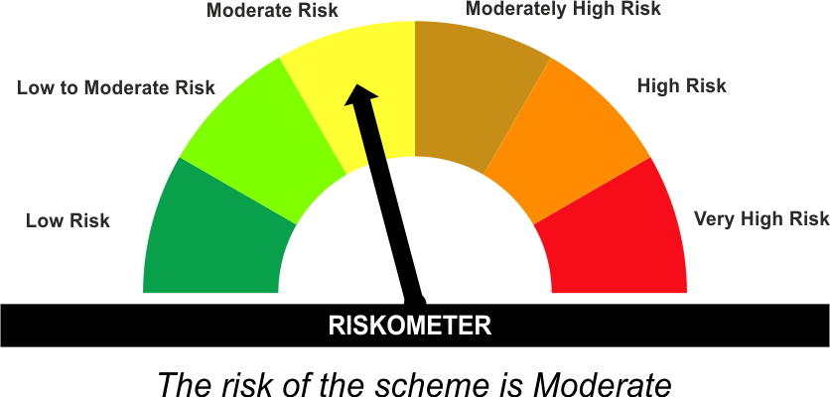 | As per AMFI Tier I Benchmark i . e . CRISIL Medium to Long Duration Debt A-III Index
•To generate income/capital appreciation through investments in Debt / Money Market Instruments |  | 

*Investors should consult their financial advisers if in doubt about whether the product is suitable for them.
#The Scheme and Benchmark riskometer disclosed above is latest available riskometer, for any updates please visit the AMC’s website (https://www.licmf.com/downloads/risk-o-meter-disclosure).
Mutual Fund investments are subject to market risks, read all scheme related documents carefully.

Potential Risk Class
Credit Risk | Relatively Low (Class A) | Moderate (Class B) | Relatively High (Class C)
Interest Rate Risk
Relatively Low (Class I)
Moderate (Class II)
Relatively High (Class III) |  | B-III

 | Portfolio Information
Scheme Name : | LIC MF MEDIUM TO LONG DURATION FUND
Description (if any) | Medium to Long Duration Fund
Annualised Portfolio YTM* : | 6.89
Macaulay Duration | 6.1 Years
Residual Maturity | 9.12 Years
As on (Date) | 31 December 2025
* in case of semi annual YTM, it will be annualised
As the Regular and Direct plans have a common portfolio, the Portfolio yield given above is at the Scheme level

LDINPF
LIC MF BANKING & PSU FUND |  |  |  |  | Index

Monthly Portfolio Statement as on December 31,2025
Name of the Instrument | ISIN | Industry / Rating | Quantity | Market/Fair Value (Rounded, Rs. In Lacs) | Rounded, % to Net Assets | Yield

Debt Instruments
(a)Listed / Awaiting listing on stock Exchanges
8.37% National Highways Authority of India ** | INE906B07GN5 | CRISIL AAA | 1,000.000 | 11,194.64 | 5.98% | 6.86%
7.14% Export Import Bank of India ** | INE514E08GD0 | CRISIL AAA | 7,500.000 | 7,595.02 | 4.05% | 6.87%
7.37% Indian Railway Finance Corporation Ltd. ** | INE053F08411 | CRISIL AAA | 7,000.000 | 7,467.09 | 3.99% | 6.91%
7.41% Government of India | IN0020220102 | SOVEREIGN | 6,500,000.000 | 6,803.67 | 3.63% | 6.95%
8.09% NLC India Ltd. ** | INE589A07037 | ICRA AAA | 600.000 | 6,500.45 | 3.47% | 6.87%
7.34% Small Industries Development Bk of India ** | INE556F08KS8 | CRISIL AAA | 5,500.000 | 5,660.93 | 3.02% | 6.99%
7.6% Power Finance Corporation Ltd. ** | INE134E08MX3 | CRISIL AAA | 5,000.000 | 5,415.83 | 2.89% | 6.96%
7.59% National Housing Bank | INE557F08FY4 | CRISIL AAA | 5,000.000 | 5,281.54 | 2.82% | 6.76%
7.46% REC Ltd. ** | INE020B08EK4 | CRISIL AAA | 5,000.000 | 5,257.33 | 2.81% | 6.82%
7.48% National Bk for Agriculture & Rural Dev. | INE261F08EO7 | CRISIL AAA | 5,000.000 | 5,176.02 | 2.76% | 6.91%
7.83% Small Industries Development Bk of India ** | INE556F08KL3 | CRISIL AAA | 5,000.000 | 5,157.96 | 2.75% | 6.90%
7.43% Jamnagar Utilities & Power Pvt. Ltd. ** | INE936D07190 | CRISIL AAA | 5,000.000 | 5,084.01 | 2.71% | 7.38%
7.05% Jio Credit Ltd. ** | INE282H07034 | CRISIL AAA | 5,000.000 | 5,065.70 | 2.70% | 7.17%
6.49% National Bk for Agriculture & Rural Dev. ** | INE261F08CQ6 | ICRA AAA | 500.000 | 4,914.18 | 2.62% | 7.03%
6.28% Government of India | IN0020250059 | SOVEREIGN | 4,000,000.000 | 4,055.82 | 2.17% | 6.68%
7.49% Power Grid Corporation of India Ltd. ** | INE752E08601 | CRISIL AAA | 1,000.000 | 3,108.07 | 1.66% | 6.80%
6.68% Government of India | IN0020250042 | SOVEREIGN | 3,000,000.000 | 3,009.99 | 1.61% | 7.12%
8.27% National Highways Authority of India ** | INE906B07GP0 | CRISIL AAA | 250.000 | 2,756.43 | 1.47% | 6.86%
7.34% Nuclear Power Corporation ** | INE206D08469 | ICRA AAA | 250.000 | 2,710.36 | 1.45% | 6.90%
7.62% National Bk for Agriculture & Rural Dev. ** | INE261F08EH1 | CRISIL AAA | 2,500.000 | 2,668.12 | 1.42% | 6.98%
7.26% Government of India | IN0020220151 | SOVEREIGN | 2,500,000.000 | 2,661.41 | 1.42% | 6.74%
7.77% National Housing Bank | INE557F08FP2 | CRISIL AAA | 2,500.000 | 2,655.87 | 1.42% | 6.60%
7.4% Power Finance Corporation Ltd. ** | INE134E08KQ1 | CRISIL AAA | 250.000 | 2,654.81 | 1.42% | 7.01%
8.54% REC Ltd. ** | INE020B08BE3 | CRISIL AAA | 250.000 | 2,642.58 | 1.41% | 6.86%
7.49% Small Industries Development Bk of India ** | INE556F08KX8 | CRISIL AAA | 2,500.000 | 2,639.06 | 1.41% | 7.01%
8.14% Nuclear Power Corporation ** | INE206D08287 | CRISIL AAA | 250.000 | 2,629.46 | 1.40% | 6.78%
7.43% National Bk for Agriculture & Rural Dev. ** | INE261F08BX4 | ICRA AAA | 250.000 | 2,626.23 | 1.40% | 6.99%
7.32% NTPC Ltd. ** | INE733E07KL3 | CRISIL AAA | 250.000 | 2,624.39 | 1.40% | 6.78%
6.87% REC Ltd. ** | INE020B08FU0 | ICRA AAA | 2,500.000 | 2,601.51 | 1.39% | 7.01%
6.64% Housing & Urban Development Corp Ltd. ** | INE031A08996 | ICRA AAA | 2,500.000 | 2,562.93 | 1.37% | 6.85%
6.73% Power Finance Corporation Ltd. ** | INE134E08NW3 | CRISIL AAA | 2,500.000 | 2,542.31 | 1.36% | 6.78%
7.62% Government of India | IN0020190024 | SOVEREIGN | 2,000,000.000 | 2,161.36 | 1.15% | 7.07%
6.79% Government of India | IN0020240159 | SOVEREIGN | 2,000,000.000 | 2,020.50 | 1.08% | 6.83%
8.13% Nuclear Power Corporation ** | INE206D08378 | CRISIL AAA | 150.000 | 1,576.15 | 0.84% | 6.78%
6.61% Power Finance Corporation Ltd. ** | INE134E08NS1 | CRISIL AAA | 1,500.000 | 1,551.11 | 0.83% | 6.89%
6.47% Indian Railway Finance Corporation Ltd. ** | INE053F08510 | CRISIL AAA | 1,500.000 | 1,546.52 | 0.83% | 6.80%
7.45% Export Import Bank of India ** | INE514E08GB4 | CRISIL AAA | 1,000.000 | 1,080.76 | 0.58% | 6.73%
6.57% National Bk for Agriculture & Rural Dev. ** | INE261F08CF9 | ICRA AAA | 100.000 | 1,034.93 | 0.55% | 6.81%
7.54% Government of India | IN0020220029 | SOVEREIGN | 500,000.000 | 531.73 | 0.28% | 6.90%
7.1% Government of India | IN0020240019 | SOVEREIGN | 250,000.000 | 261.25 | 0.14% | 6.75%
Sub Total |  |  |  | 145,488.03 | 77.66%

(b)Privately Placed/Unlisted
Sub Total |  |  |  | NIL | NIL

(c)Securitised Debt Instruments
Sub Total |  |  |  | NIL | NIL

TOTAL |  |  |  | 145,488.03 | 77.66%

Money Market Instruments

Certificate of Deposit
HDFC Bank Ltd. # | INE040A16HF0 | CRISIL A1+ | 1,500.000 | 7,220.14 | 3.85% | 6.55%
Indian Bank ** # | INE562A16ON3 | CRISIL A1+ | 1,000.000 | 4,933.76 | 2.63% | 5.90%
Bank of Baroda ** # | INE028A16KG7 | FITCH A1+ | 1,000.000 | 4,869.87 | 2.60% | 6.38%
Axis Bank Ltd. ** # | INE238AD6BC1 | CRISIL A1+ | 1,000.000 | 4,809.83 | 2.57% | 6.53%
Kotak Mahindra Bank Ltd. ** # | INE237AD6042 | CRISIL A1+ | 1,000.000 | 4,775.19 | 2.55% | 6.46%
HDFC Bank Ltd. # | INE040A16II2 | CRISIL A1+ | 1,000.000 | 4,698.77 | 2.51% | 6.61%
HDFC Bank Ltd. ** # | INE040A16HZ8 | CRISIL A1+ | 500.000 | 2,480.59 | 1.32% | 5.95%
Bank of Baroda ** # | INE028A16JR6 | FITCH A1+ | 500.000 | 2,438.81 | 1.30% | 6.36%
Sub Total |  |  |  | 36,226.96 | 19.34%

TOTAL |  |  |  | 36,226.96 | 19.34%

Others
Investment in Mutual fund
SBI CDMDF--A2 | INF0RQ622028 |  | 4,488.177 | 518.55 | 0.28%

TOTAL |  |  |  | 518.55 | 0.28%

Treps / Reverse Repo
Treps |  |  |  | 7,439.94 | 3.97%
Sub Total |  |  |  | 7,439.94 | 3.97%

TOTAL |  |  |  | 7,439.94 | 3.97%
Net Receivables / (Payables) |  |  |  | (2,347.31) | (1.25%)
GRAND TOTAL |  |  |  | 187,326.17 | 100.00%

# Unlisted Security
** Non Traded Security

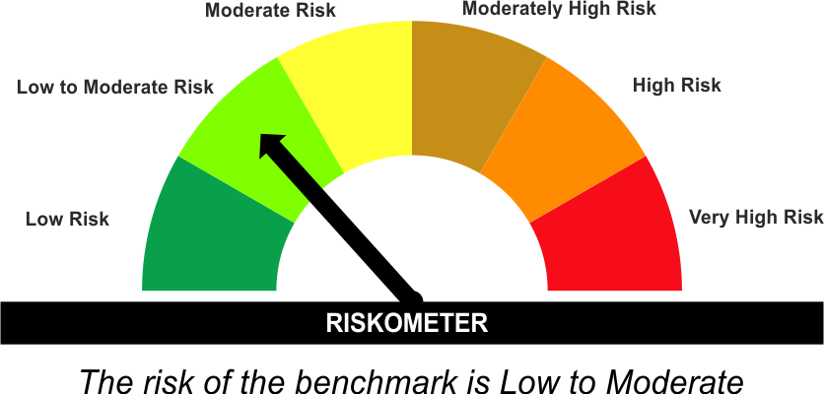
The product is suitable for investors who are seeking* | Scheme Riskometer# | Benchmark Riskometer (as applicable) #
•Income for medium term capital appreciation with current income. |  | As per AMFI Tier I Benchmark i . e . Nifty Banking & PSU Debt Index AII
•An income fund that invests predominantly in debt and money market instruments issued by Banks, Public Sector Undertakings, Public Financial Institutions and Municipal Bonds

*Investors should consult their financial advisers if in doubt about whether the product is suitable for them.
#The Scheme and Benchmark riskometer disclosed above is latest available riskometer, for any updates please visit the AMC’s website (https://www.licmf.com/downloads/risk-o-meter-disclosure).
Mutual Fund investments are subject to market risks, read all scheme related documents carefully.

Potential Risk Class
Credit Risk | Relatively Low (Class A) | Moderate (Class B) | Relatively High (Class C)
Interest Rate Risk
Relatively Low (Class I)
Moderate (Class II)
Relatively High (Class III) | A-III

 | Portfolio Information
Scheme Name : | LIC MF Banking & PSU Fund
Description (if any) | Banking and PSU Fund
Annualised Portfolio YTM* : | 6.70
Macaulay Duration | 2.85 Years
Residual Maturity | 3.36 Years
As on (Date) | 31 December 2025
* in case of semi annual YTM, it will be annualised
As the Regular and Direct plans have a common portfolio, the Portfolio yield given above is at the Scheme level

LDMIPF
LIC MF CONSERVATIVE HYBRID FUND |  |  |  |  | Index

Monthly Portfolio Statement as on December 31,2025
Name of the Instrument | ISIN | Industry / Rating | Quantity | Market/Fair Value (Rounded, Rs. In Lacs) | Rounded, % to Net Assets | Yield
Equity & Equity related
(a)Listed / Awaiting listing on Stock Exchanges
HDFC Bank Ltd. | INE040A01034 | Banks | 21,686.000 | 214.95 | 4.37%
Reliance Industries Ltd. | INE002A01018 | Petroleum Products | 9,031.000 | 141.82 | 2.88%
Infosys Ltd. | INE009A01021 | IT - Software | 7,753.000 | 125.24 | 2.55%
Bharat Forge Ltd. | INE465A01025 | Auto Components | 5,560.000 | 81.75 | 1.66%
Axis Bank Ltd. | INE238A01034 | Banks | 5,803.000 | 73.66 | 1.50%
Hindustan Unilever Ltd. | INE030A01027 | Diversified FMCG | 2,852.000 | 66.05 | 1.34%
Shriram Finance Ltd. | INE721A01047 | Finance | 6,116.000 | 60.93 | 1.24%
ICICI Bank Ltd. | INE090A01021 | Banks | 4,213.000 | 56.58 | 1.15%
Mahindra & Mahindra Ltd. | INE101A01026 | Automobiles | 1,354.000 | 50.22 | 1.02%
KWALITY WALL'S INDIA LTD # | INE2KCE01013 | Food Products | 2,852.000 | 1.15 | 0.02%
Sub Total |  |  |  | 872.35 | 17.73%
(b) Unlisted
Sub Total |  |  |  | NIL | NIL

TOTAL |  |  |  | 872.35 | 17.73%

Debt Instruments
(a)Listed / Awaiting listing on stock Exchanges
7.32% Government of India | IN0020230135 | SOVEREIGN | 500,000.000 | 524.12 | 10.66% | 6.49%
7.17% Government of India | IN0020230036 | SOVEREIGN | 500,000.000 | 523.07 | 10.63% | 6.42%
7.65% State Government of Tamil Nadu | IN3120230260 | SOVEREIGN | 500,000.000 | 518.82 | 10.55% | 7.40%
6.79% Government of India | IN0020240126 | SOVEREIGN | 500,000.000 | 512.40 | 10.42% | 6.76%
6.79% Government of India | IN0020240159 | SOVEREIGN | 500,000.000 | 505.12 | 10.27% | 6.83%
8.13% Nuclear Power Corporation ** | INE206D08378 | CRISIL AAA | 40.000 | 420.31 | 8.54% | 6.78%
Indian Railway Finance Corporation Ltd. (ZCB) ** | INE053F08536 | CRISIL AAA | 500.000 | 261.47 | 5.32% | 6.76%
7.38% Government of India | IN0020220037 | SOVEREIGN | 200,000.000 | 205.20 | 4.17% | 5.75%
7.19% State Government of Tamil Nadu | IN3120190225 | SOVEREIGN | 150,000.000 | 152.86 | 3.11% | 7.01%
Sub Total |  |  |  | 3,623.37 | 73.67%

(b)Privately Placed/Unlisted
Sub Total |  |  |  | NIL | NIL

(c)Securitised Debt Instruments
Sub Total |  |  |  | NIL | NIL

TOTAL |  |  |  | 3,623.37 | 73.66%

Others
Investment in Mutual fund
SBI CDMDF--A2 | INF0RQ622028 |  | 157.192 | 18.16 | 0.37%

TOTAL |  |  |  | 18.16 | 0.37%

Treps / Reverse Repo
Treps |  |  |  | 415.18 | 8.44%
Sub Total |  |  |  | 415.18 | 8.44%

TOTAL |  |  |  | 415.18 | 8.44%
Net Receivables / (Payables) |  |  |  | (10.27) | (0.20%)
GRAND TOTAL |  |  |  | 4,918.79 | 100.00%

# Unlisted Security
** Non Traded Security
ZCB - Zero Coupon Bond

The product is suitable for investors who are seeking* | Scheme Riskometer# | Benchmark Riskometer (as applicable) #
•Medium term capital appreciation with current income | 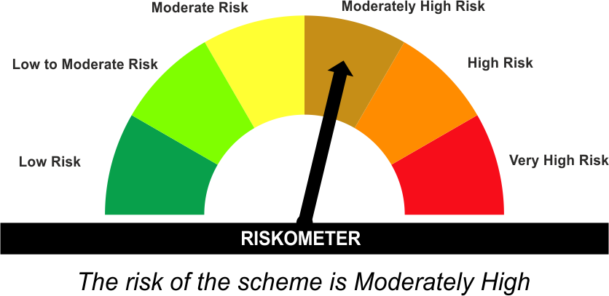 | As per AMFI Tier I Benchmark i.e. CRISIL Hybrid 85+15 Conservative Index
•A fund that invests predominantly in debt instruments with marginal equity exposure. |  | 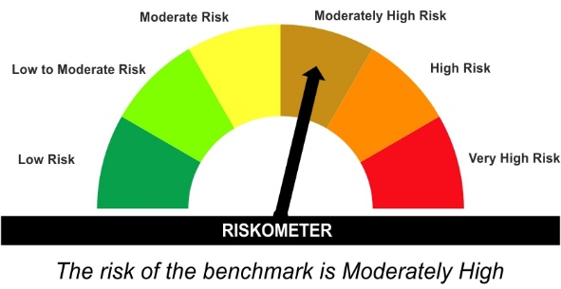

*Investors should consult their financial advisers if in doubt about whether the product is suitable for them.
#The Scheme and Benchmark riskometer disclosed above is latest available riskometer, for any updates please visit the AMC’s website (https://www.licmf.com/downloads/risk-o-meter-disclosure).
Mutual Fund investments are subject to market risks, read all scheme related documents carefully.

LDMNMF
LIC MF MONEY MARKET FUND |  |  |  |  | Index

Monthly Portfolio Statement as on December 31,2025
Name of the Instrument | ISIN | Industry / Rating | Quantity | Market/Fair Value (Rounded, Rs. In Lacs) | Rounded, % to Net Assets | Yield

Debt Instruments
(a)Listed / Awaiting listing on stock Exchanges
7.39% State Government of Tamil Nadu | IN3120160137 | SOVEREIGN | 7,500,000.000 | 7,681.41 | 1.92% | 5.82%
6.04% State Government of Gujarat | IN1520210130 | SOVEREIGN | 5,000,000.000 | 5,070.18 | 1.27% | 5.84%
Sub Total |  |  |  | 12,751.59 | 3.19%

(b)Privately Placed/Unlisted
Sub Total |  |  |  | NIL | NIL

(c)Securitised Debt Instruments
Sub Total |  |  |  | NIL | NIL

TOTAL |  |  |  | 12,751.59 | 3.18%

Money Market Instruments

Certificate of Deposit
Bank of Baroda ** # | INE028A16JR6 | FITCH A1+ | 4,500.000 | 21,949.27 | 5.48% | 6.36%
Canara Bank ** # | INE476A16F60 | CRISIL A1+ | 3,500.000 | 17,046.61 | 4.26% | 6.35%
The Federal Bank Ltd. ** # | INE171A16NG9 | FITCH A1+ | 2,000.000 | 9,723.67 | 2.43% | 6.57%
Kotak Mahindra Bank Ltd. ** # | INE237AD6042 | CRISIL A1+ | 2,000.000 | 9,550.38 | 2.38% | 6.46%
Canara Bank # | INE476A16E38 | CRISIL A1+ | 2,000.000 | 9,462.73 | 2.36% | 6.60%
Axis Bank Ltd. ** # | INE238AD6BP3 | CRISIL A1+ | 2,000.000 | 9,435.28 | 2.36% | 6.62%
Indian Bank ** # | INE562A16OS2 | FITCH A1+ | 1,500.000 | 7,340.87 | 1.83% | 6.33%
Small Industries Development Bk of India ** # | INE556F16BH3 | CRISIL A1+ | 1,500.000 | 7,340.41 | 1.83% | 6.40%
HDFC Bank Ltd. ** # | INE040A16HB9 | CRISIL A1+ | 1,500.000 | 7,279.13 | 1.82% | 6.37%
Punjab National Bank # | INE160A16RK5 | CRISIL A1+ | 1,100.000 | 5,433.13 | 1.36% | 5.91%
Bank of Baroda ** # | INE028A16KH5 | FITCH A1+ | 1,100.000 | 5,211.93 | 1.30% | 6.55%
National Bk for Agriculture & Rural Dev. # | INE261F16975 | CRISIL A1+ | 1,000.000 | 4,944.82 | 1.23% | 5.99%
National Bk for Agriculture & Rural Dev. ** # | INE261F16983 | CRISIL A1+ | 1,000.000 | 4,942.41 | 1.23% | 5.99%
Canara Bank # | INE476A16B64 | CRISIL A1+ | 1,000.000 | 4,938.47 | 1.23% | 5.98%
National Bk for Agriculture & Rural Dev. ** # | INE261F16AA7 | CRISIL A1+ | 1,000.000 | 4,932.81 | 1.23% | 5.99%
HDFC Bank Ltd. # | INE040A16GW7 | CRISIL A1+ | 1,000.000 | 4,882.78 | 1.22% | 6.35%
Export Import Bank of India # | INE514E16CL5 | CARE A1+ | 1,000.000 | 4,876.09 | 1.22% | 6.31%
Axis Bank Ltd. # | INE238AD6AZ4 | CRISIL A1+ | 1,000.000 | 4,851.59 | 1.21% | 6.38%
Axis Bank Ltd. ** # | INE238AD6BD9 | CRISIL A1+ | 1,000.000 | 4,809.00 | 1.20% | 6.53%
HDFC Bank Ltd. ** # | INE040A16HL8 | CRISIL A1+ | 1,000.000 | 4,783.68 | 1.19% | 6.55%
HDFC Bank Ltd. ** # | INE040A16HN4 | CRISIL A1+ | 1,000.000 | 4,782.85 | 1.19% | 6.55%
National Bk for Agriculture & Rural Dev. ** # | INE261F16AB5 | CRISIL A1+ | 1,000.000 | 4,777.77 | 1.19% | 6.53%
Small Industries Development Bk of India ** # | INE556F16BK7 | CRISIL A1+ | 1,000.000 | 4,771.71 | 1.19% | 6.57%
Small Industries Development Bk of India ** # | INE556F16BL5 | CRISIL A1+ | 1,000.000 | 4,752.14 | 1.19% | 6.68%
Indian Bank ** # | INE562A16PU5 | CRISIL A1+ | 1,000.000 | 4,741.29 | 1.18% | 6.60%
Small Industries Development Bk of India ** # | INE556F16BQ4 | CRISIL A1+ | 1,000.000 | 4,732.38 | 1.18% | 6.68%
HDFC Bank Ltd. ** # | INE040A16HY1 | CRISIL A1+ | 1,000.000 | 4,724.50 | 1.18% | 6.61%
Bank of Baroda ** # | INE028A16KK9 | FITCH A1+ | 1,000.000 | 4,722.06 | 1.18% | 6.55%
UCO Bank ** # | INE691A16MA1 | CRISIL A1+ | 1,000.000 | 4,708.72 | 1.18% | 6.70%
Indian Bank ** # | INE562A16OL7 | FITCH A1+ | 900.000 | 4,444.64 | 1.11% | 5.90%
Axis Bank Ltd. ** # | INE238AD6BB3 | CRISIL A1+ | 600.000 | 2,926.51 | 0.73% | 6.37%
National Bk for Agriculture & Rural Dev. ** # | INE261F16991 | CRISIL A1+ | 500.000 | 2,466.81 | 0.62% | 5.99%
AU Small Finance Bank Ltd. ** # | INE949L16DN2 | CRISIL A1+ | 500.000 | 2,447.48 | 0.61% | 6.70%
IDFC First Bank Ltd. ** # | INE092T16YH2 | CRISIL A1+ | 500.000 | 2,439.00 | 0.61% | 6.48%
Axis Bank Ltd. ** # | INE238AD6AT7 | CRISIL A1+ | 500.000 | 2,431.57 | 0.61% | 6.38%
HDFC Bank Ltd. ** # | INE040A16HP9 | CRISIL A1+ | 500.000 | 2,431.32 | 0.61% | 6.37%
Bank of Baroda ** # | INE028A16JF1 | FITCH A1+ | 500.000 | 2,412.71 | 0.60% | 6.51%
HDFC Bank Ltd. # | INE040A16HF0 | CRISIL A1+ | 500.000 | 2,406.71 | 0.60% | 6.55%
Axis Bank Ltd. ** # | INE238AD6BC1 | CRISIL A1+ | 500.000 | 2,404.92 | 0.60% | 6.53%
Small Industries Development Bk of India # | INE556F16BG5 | CRISIL A1+ | 200.000 | 986.39 | 0.25% | 6.00%
Canara Bank ** # | INE476A16A65 | CRISIL A1+ | 100.000 | 495.66 | 0.12% | 5.92%
Sub Total |  |  |  | 224,742.20 | 56.10%

Commercial Paper
REC Ltd. ** | INE020B14698 | CRISIL A1+ | 4,000.000 | 19,458.36 | 4.86% | 6.35%
Sundaram Home Finance Ltd. ** | INE667F14GT7 | CRISIL A1+ | 4,000.000 | 19,426.54 | 4.85% | 6.53%
Power Finance Corporation Ltd. ** | INE134E14AX6 | CRISIL A1+ | 3,000.000 | 14,734.05 | 3.68% | 6.34%
Aditya Birla Capital Ltd. ** | INE674K14BA4 | CRISIL A1+ | 2,000.000 | 9,916.54 | 2.48% | 6.40%
Angel One Ltd. ** | INE732I14CM7 | CRISIL A1+ | 1,800.000 | 8,925.41 | 2.23% | 7.44%
Angel One Ltd. ** | INE732I14CO3 | CRISIL A1+ | 1,500.000 | 7,424.33 | 1.85% | 7.44%
360 One Wam Ltd. ** | INE466L14FN7 | ICRA A1+ | 1,500.000 | 7,386.01 | 1.84% | 6.95%
Time Technoplast Ltd. ** | INE508G14ID1 | ICRA A1+ | 1,500.000 | 7,236.99 | 1.81% | 7.58%
Standard Chartered Capital Ltd. ** | INE403G14TT8 | CRISIL A1+ | 1,500.000 | 7,138.73 | 1.78% | 7.33%
Nuvama Wealth Finance Ltd. ** | INE918K14CN6 | CRISIL A1+ | 1,000.000 | 4,973.75 | 1.24% | 7.41%
360 One Prime Ltd. ** | INE248U14RY2 | ICRA A1+ | 1,000.000 | 4,952.82 | 1.24% | 6.96%
ICICI Securities Ltd. ** | INE763G14XX9 | CRISIL A1+ | 1,000.000 | 4,943.83 | 1.23% | 6.48%
HDFC Securities Ltd. ** | INE700G14QD7 | CRISIL A1+ | 1,000.000 | 4,937.76 | 1.23% | 6.48%
Aditya Birla Capital Ltd. ** | INE674K14974 | CRISIL A1+ | 1,000.000 | 4,934.25 | 1.23% | 6.40%
Kotak Mahindra Prime Ltd. ** | INE916D145K4 | CRISIL A1+ | 1,000.000 | 4,861.23 | 1.21% | 6.72%
360 One Prime Ltd. ** | INE248U14SL7 | ICRA A1+ | 1,000.000 | 4,846.24 | 1.21% | 7.83%
Hero Housing Finance Ltd. ** | INE800X14390 | CRISIL A1+ | 1,000.000 | 4,785.81 | 1.19% | 6.84%
Time Technoplast Ltd. ** | INE508G14HZ6 | ICRA A1+ | 700.000 | 3,441.46 | 0.86% | 7.48%
Time Technoplast Ltd. ** | INE508G14HU7 | ICRA A1+ | 500.000 | 2,485.71 | 0.62% | 7.49%
Time Technoplast Ltd. ** | INE508G14IA7 | ICRA A1+ | 500.000 | 2,446.76 | 0.61% | 7.56%
Time Technoplast Ltd. ** | INE508G14HV5 | ICRA A1+ | 300.000 | 1,490.31 | 0.37% | 7.42%
Piramal Enterprises Ltd. ** | INE140A145Y6 | CRISIL A1+ | 100.000 | 492.91 | 0.12% | 7.10%
Sub Total |  |  |  | 151,239.80 | 37.75%

Treasury Bill
364 DAYS TBILL RED 19-03-2026 | IN002024Z495 | SOVEREIGN | 10,000,000.000 | 9,892.11 | 2.47% | 5.17%
182 DAYS TBILL RED 14-05-2026 | IN002025Y339 | SOVEREIGN | 10,000,000.000 | 9,808.11 | 2.45% | 5.37%
182 DAYS TBILL RED 09-04-2026 | IN002025Y289 | SOVEREIGN | 5,000,000.000 | 4,929.27 | 1.23% | 5.34%
182 DAYS TBILL RED 27-02-2026 | IN002025Y222 | SOVEREIGN | 3,113,700.000 | 3,088.66 | 0.77% | 5.19%
364 DAYS TBILL RED 29-01-2026 | IN002024Z420 | SOVEREIGN | 2,500,000.000 | 2,490.05 | 0.62% | 5.21%
364 DAYS TBILL RED 12-03-2026 | IN002024Z487 | SOVEREIGN | 1,500,000.000 | 1,485.21 | 0.37% | 5.19%
Sub Total |  |  |  | 31,693.41 | 7.91%

TOTAL |  |  |  | 407,675.41 | 101.76%

Others
Investment in Mutual fund
SBI CDMDF--A2 | INF0RQ622028 |  | 3,251.700 | 375.69 | 0.09%

TOTAL |  |  |  | 375.69 | 0.09%

Treps / Reverse Repo
Treps |  |  |  | 40,423.06 | 10.09%
Sub Total |  |  |  | 40,423.06 | 10.09%

TOTAL |  |  |  | 40,423.06 | 10.09%
Net Receivables / (Payables) |  |  |  | (60,603.02) | (15.12%)
GRAND TOTAL |  |  |  | 400,622.73 | 100.00%

# Unlisted Security
** Non Traded Security

LIC MF Arbitrage Fund has invested (inter scheme investments) in LIC MF Money Market Fund. Market value of such investments as on 31st Dec 2025 is 4132.74 lacs.

The product is suitable for investors who are seeking* | Scheme Riskometer# | Benchmark Riskometer (as applicable) #
•Income over short term. | 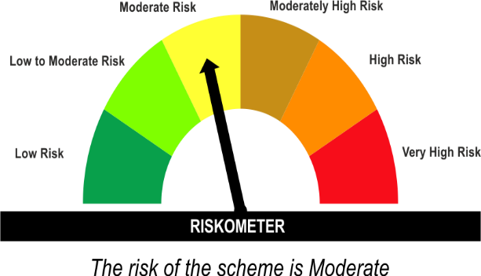 | As per AMFI Tier I Benchmark i . e . NIFTY Money Market Index A-I
•Investment in money market instruments with maturity upto one year. |  | 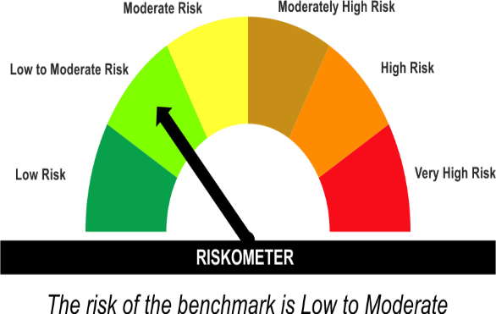

*Investors should consult their financial advisers if in doubt about whether the product is suitable for them.
#The Scheme and Benchmark riskometer disclosed above is latest available riskometer, for any updates please visit the AMC’s website (https://www.licmf.com/downloads/risk-o-meter-disclosure).
Mutual Fund investments are subject to market risks, read all scheme related documents carefully.

Potential Risk Class
Credit Risk | Relatively Low (Class A) | Moderate (Class B) | Relatively High (Class C)
Interest Rate Risk
Relatively Low (Class I) |  | B-I
Moderate (Class II)
Relatively High (Class III)

 | Portfolio Information
Scheme Name : | LIC MF Money Market Fund
Description (if any) | Money Market Fund
Annualised Portfolio YTM* : | 6.51
Macaulay Duration | 0.47 Years
Residual Maturity | 0.47 Years
As on (Date) | 31 December 2025
* in case of semi annual YTM, it will be annualised
As the Regular and Direct plans have a common portfolio, the Portfolio yield given above is at the Scheme level

LDONTF
LIC MF OVERNIGHT FUND |  |  |  |  | Index

Monthly Portfolio Statement as on December 31,2025
Name of the Instrument | ISIN | Industry / Rating | Quantity | Market/Fair Value (Rounded, Rs. In Lacs) | Rounded, % to Net Assets | Yield

Money Market Instruments

Treasury Bill
364 DAYS TBILL RED 15-01-2026 | IN002024Z404 | SOVEREIGN | 2,500,000.000 | 2,494.98 | 3.14% | 5.25%
91 DAYS TBILL RED 08-01-2026 | IN002025X281 | SOVEREIGN | 2,000,000.000 | 1,997.99 | 2.51% | 5.25%
91 DAYS TBILL RED 02-01-2026 | IN002025X273 | SOVEREIGN | 1,500,000.000 | 1,499.78 | 1.89% | 5.35%
Sub Total |  |  |  | 5,992.75 | 7.54%

TOTAL |  |  |  | 5,992.75 | 7.54%

Treps / Reverse Repo
Reverse Repo |  |  |  | 69,908.93 | 88.00%
Treps |  |  |  | 3,537.04 | 4.45%
Sub Total |  |  |  | 73,445.97 | 92.44%

TOTAL |  |  |  | 73,445.97 | 92.44%
Net Receivables / (Payables) |  |  |  | 10.83 | 0.02%
GRAND TOTAL |  |  |  | 79,449.55 | 100.00%

The product is suitable for investors who are seeking* | Scheme Riskometer# | Benchmark Riskometer (as applicable) #
•Income with high levels of safety and liquidity over short term. |  | As per AMFI Tier IBenchmark i . e . NIFTY 1D Rate Index
•Investment in debt and money market instruments with overnight maturity. |  | 

*Investors should consult their financial advisers if in doubt about whether the product is suitable for them.
#The Scheme and Benchmark riskometer disclosed above is latest available riskometer, for any updates please visit the AMC’s website (https://www.licmf.com/downloads/risk-o-meter-disclosure).
Mutual Fund investments are subject to market risks, read all scheme related documents carefully.

Potential Risk Class
Credit Risk | Relatively Low (Class A) | Moderate (Class B) | Relatively High (Class C)
Interest Rate Risk
Relatively Low (Class I) | A-I
Moderate (Class II)
Relatively High (Class III)

 | Portfolio Information
Scheme Name : | LIC MF Overnight Fund
Description (if any) | Overnight Fund
Annualised Portfolio YTM* : | 5.72
Macaulay Duration | 0 Years
Residual Maturity | 0 Years
As on (Date) | 31 December 2025
* in case of semi annual YTM, it will be annualised
As the Regular and Direct plans have a common portfolio, the Portfolio yield given above is at the Scheme level

LDSAPF
LIC MF LOW DURATION FUND |  |  |  |  | Index

Monthly Portfolio Statement as on December 31,2025
Name of the Instrument | ISIN | Industry / Rating | Quantity | Market/Fair Value (Rounded, Rs. In Lacs) | Rounded, % to Net Assets | Yield

Debt Instruments
(a)Listed / Awaiting listing on stock Exchanges
7.64% REC Ltd. ** | INE020B08EX7 | ICRA AAA | 7,500.000 | 7,960.83 | 4.11% | 6.79%
7.78% Bajaj Housing Finance Ltd. ** | INE377Y07425 | CRISIL AAA | 500.000 | 5,250.71 | 2.71% | 6.63%
7.02% Bajaj Housing Finance Ltd. ** | INE377Y07565 | CRISIL AAA | 5,000.000 | 5,202.81 | 2.68% | 7.08%
6.6% REC Ltd. ** | INE020B08FZ9 | ICRA AAA | 5,000.000 | 5,156.20 | 2.66% | 6.79%
7.5% National Bk for Agriculture & Rural Dev. ** | INE261F08EA6 | CRISIL AAA | 5,000.000 | 5,144.75 | 2.65% | 6.75%
8.75% 360 One Prime Ltd. ** | INE248U07GA9 | ICRA AA | 5,000.000 | 5,135.74 | 2.65% | 8.69%
7.5285% Poonawalla Fincorp Ltd. ** | INE511C07912 | CRISIL AAA | 5,000.000 | 5,094.72 | 2.63% | 7.59%
7.35% Bharti Telecom Ltd. ** | INE403D08272 | CRISIL AAA | 5,000.000 | 5,065.01 | 2.61% | 7.49%
6.9601% Mindspace Business Parks Reit ** | INE0CCU07181 | ICRA AAA | 5,000.000 | 4,986.59 | 2.57% | 7.26%
7.53% National Bk for Agriculture & Rural Dev. | INE261F08EM1 | ICRA AAA | 2,500.000 | 2,679.22 | 1.38% | 6.84%
7.26% Government of India | IN0020220060 | SOVEREIGN | 2,500,000.000 | 2,651.18 | 1.37% | 6.72%
7.17% State Government of Gujarat | IN1520190183 | SOVEREIGN | 2,500,000.000 | 2,613.42 | 1.35% | 6.97%
7.685% Tata Capital Housing Finance Ltd. ** | INE033L07IL7 | CRISIL AAA | 2,500.000 | 2,612.84 | 1.35% | 7.16%
7.49% National Bk for Agriculture & Rural Dev. | INE261F08EB4 | CRISIL AAA | 2,500.000 | 2,550.86 | 1.32% | 6.80%
6.47% Indian Railway Finance Corporation Ltd. ** | INE053F08510 | CRISIL AAA | 1,500.000 | 1,546.52 | 0.80% | 6.80%
Government of India | IN001030C039 | SOVEREIGN | 1,541,400.000 | 1,129.64 | 0.58% | 6.79%
7.65% GIC Housing Finance Ltd. ** | INE289B07123 | CRISIL AA+ | 1,000.000 | 1,010.21 | 0.52% | 7.74%
7.77% REC Ltd. ** | INE020B08EH0 | CRISIL AAA | 500.000 | 539.10 | 0.28% | 6.78%
8.85% Power Grid Corporation of India Ltd. ** | INE752E07KL3 | CRISIL AAA | 40.000 | 516.98 | 0.27% | 6.62%
7.68% Tata Capital Ltd. ** | INE306N07NA6 | CRISIL AAA | 50.000 | 515.52 | 0.27% | 7.21%
Sub Total |  |  |  | 67,362.85 | 34.76%

(b)Privately Placed/Unlisted
Sub Total |  |  |  | NIL | NIL

(c)Securitised Debt Instruments
Sub Total |  |  |  | NIL | NIL

TOTAL |  |  |  | 67,362.85 | 34.75%

Money Market Instruments

Certificate of Deposit
Bank of Baroda ** # | INE028A16JR6 | FITCH A1+ | 2,500.000 | 12,194.04 | 6.29% | 6.36%
Punjab National Bank ** # | INE160A16TZ9 | CRISIL A1+ | 2,000.000 | 9,407.15 | 4.85% | 6.61%
National Bk for Agriculture & Rural Dev. ** # | INE261F16934 | CRISIL A1+ | 1,000.000 | 4,971.61 | 2.56% | 5.96%
Axis Bank Ltd. ** # | INE238AD6BA5 | CRISIL A1+ | 1,000.000 | 4,885.83 | 2.52% | 6.37%
Small Industries Development Bk of India ** # | INE556F16BI1 | CRISIL A1+ | 1,000.000 | 4,881.04 | 2.52% | 6.40%
Canara Bank ** # | INE476A16E87 | CRISIL A1+ | 1,000.000 | 4,877.36 | 2.52% | 6.33%
HDFC Bank Ltd. # | INE040A16HF0 | CRISIL A1+ | 1,000.000 | 4,813.43 | 2.48% | 6.55%
Axis Bank Ltd. ** # | INE238AD6BI8 | CRISIL A1+ | 1,000.000 | 4,752.61 | 2.45% | 6.62%
HDFC Bank Ltd. ** # | INE040A16HY1 | CRISIL A1+ | 1,000.000 | 4,724.50 | 2.44% | 6.61%
Bank of Baroda # | INE028A16KO1 | FITCH A1+ | 1,000.000 | 4,714.87 | 2.43% | 6.55%
Small Industries Development Bk of India ** # | INE556F16BA8 | CRISIL A1+ | 800.000 | 3,976.57 | 2.05% | 5.97%
Indian Bank ** # | INE562A16OL7 | FITCH A1+ | 600.000 | 2,963.09 | 1.53% | 5.90%
Small Industries Development Bk of India ** # | INE556F16BR2 | CRISIL A1+ | 600.000 | 2,837.46 | 1.46% | 6.68%
Export Import Bank of India # | INE514E16CK7 | CARE A1+ | 500.000 | 2,468.82 | 1.27% | 5.91%
AU Small Finance Bank Ltd. ** # | INE949L16DN2 | CRISIL A1+ | 500.000 | 2,447.48 | 1.26% | 6.70%
Axis Bank Ltd. ** # | INE238AD6BC1 | CRISIL A1+ | 500.000 | 2,404.92 | 1.24% | 6.53%
Punjab National Bank # | INE160A16RK5 | CRISIL A1+ | 200.000 | 987.84 | 0.51% | 5.91%
Indian Bank ** # | INE562A16OG7 | CRISIL A1+ | 100.000 | 494.88 | 0.26% | 5.90%
HDFC Bank Ltd. # | INE040A16GW7 | CRISIL A1+ | 100.000 | 488.28 | 0.25% | 6.35%
Sub Total |  |  |  | 79,291.78 | 40.91%

Commercial Paper
Aditya Birla Capital Ltd. ** | INE674K14974 | CRISIL A1+ | 1,000.000 | 4,934.25 | 2.55% | 6.40%
Angel One Ltd. ** | INE732I14CP0 | CRISIL A1+ | 1,000.000 | 4,925.70 | 2.54% | 7.44%
Standard Chartered Capital Ltd. ** | INE403G14TK7 | CRISIL A1+ | 1,000.000 | 4,892.09 | 2.52% | 7.12%
Time Technoplast Ltd. ** | INE508G14IF6 | ICRA A1+ | 1,000.000 | 4,820.80 | 2.49% | 7.58%
Indostar Capital Finance Ltd. ** | INE896L14EZ2 | CRISIL A1+ | 800.000 | 3,853.86 | 1.99% | 8.93%
Bajaj Finance Ltd. ** | INE296A14D21 | CRISIL A1+ | 700.000 | 3,304.59 | 1.70% | 6.99%
Power Finance Corporation Ltd. ** | INE134E14AX6 | CRISIL A1+ | 500.000 | 2,455.68 | 1.27% | 6.34%
Sub Total |  |  |  | 29,186.97 | 15.06%

Treasury Bill
182 DAYS TBILL RED 21-05-2026 | IN002025Y347 | SOVEREIGN | 5,000,000.000 | 4,899.15 | 2.53% | 5.37%
364 DAYS TBILL RED 26-03-2026 | IN002024Z503 | SOVEREIGN | 2,500,000.000 | 2,470.44 | 1.27% | 5.20%
Sub Total |  |  |  | 7,369.59 | 3.80%

TOTAL |  |  |  | 115,848.34 | 59.77%

Others
Investment in Mutual fund
SBI CDMDF--A2 | INF0RQ622028 |  | 4,080.890 | 471.50 | 0.24%

TOTAL |  |  |  | 471.50 | 0.24%

Treps / Reverse Repo
Treps |  |  |  | 10,452.50 | 5.39%
Sub Total |  |  |  | 10,452.50 | 5.39%

TOTAL |  |  |  | 10,452.50 | 5.39%
Net Receivables / (Payables) |  |  |  | (301.68) | (0.15%)
GRAND TOTAL |  |  |  | 193,833.51 | 100.00%

# Unlisted Security
** Non Traded Security

The product is suitable for investors who are seeking* | Scheme Riskometer# | Benchmark Riskometer (as applicable) #
•Income for short term |  | As per AMFI Tier I Benchmark i.e. CRISIL Low Duration Debt A-I Index
•A fund that focuses on low duration securities.

*Investors should consult their financial advisers if in doubt about whether the product is suitable for them.
#The Scheme and Benchmark riskometer disclosed above is latest available riskometer, for any updates please visit the AMC’s website (https://www.licmf.com/downloads/risk-o-meter-disclosure).
Mutual Fund investments are subject to market risks, read all scheme related documents carefully.

Potential Risk Class
Credit Risk | Relatively Low (Class A) | Moderate (Class B) | Relatively High (Class C)
Interest Rate Risk
Relatively Low (Class I) |  | B-I
Moderate (Class II)
Relatively High (Class III)

 | Portfolio Information
Scheme Name : | LIC MF LOW DURATION FUND
Description (if any) | Low Duration Fund
Annualised Portfolio YTM* : | 6.64
Macaulay Duration | 0.92 Years
Residual Maturity | 0.96 Years
As on (Date) | 31 December 2025
* in case of semi annual YTM, it will be annualised
As the Regular and Direct plans have a common portfolio, the Portfolio yield given above is at the Scheme level

